Weighted Rates
Fillable fields are blue; be sure to enter your project start date, number of project periods, and your calculated IDC base for each period (e.g., your base after subtracting out equipment, tuition, subs over 25K, etc.)
Be sure to delete values in nonexistent project periods. If you see red strike-throughs, either delete the value or change your number of project periods
 | TOTAL PROJECT Direct Cost Base: | $545,000 |  | Project Start Date: | 2015-04-01 | Number of Project Periods: | 5
 |  | YOUR CALCULATED IDC BASE: |  | Period Start: | Period End: | Average Period Rate: | Period Indirect Costs:
 | Period 1: | $136,000 |  | 2015-04-01 | 2016-03-31 | 52.75% | $71,740
 | Period 2: | $124,000 |  | 2016-04-01 | 2017-03-31 | 53.50% | $66,338
 | Period 3: | $20,000 |  | 2017-04-01 | 2018-03-31 | 54.00% | $10,800
 | Period 4: | $165,000 |  | 2018-04-01 | 2019-03-31 | 54.00% | $89,100
Your total IDC dollars for all periods are tallied here
 | Period 5: | $100,000 |  | 2019-04-01 | 2020-03-31 | 54.00% | $54,000

 | MTDC Calculation by Period Rates: | Days at Rate | MONTHS | MTDC Monthly Base | Proportional Indirect Cost Base | IDC at this Rate, In This Period: | Indirect Costs in Period | Average Period Rate | TOTAL PROJECT INDIRECT COSTS
Period 1: | 52.00% | 0 | 0 | $11,333 | $- | $- | $71,740 | 52.75% | $291,978
 | 52.50% | 183 | 6 | $11,333 | $68,000 | $35,700
 | 53.00% | 183 | 6 | $11,333 | $68,000 | $36,040
 | 54.00% | 0 | 0 | $11,333 | $- | $-
The WSU submission standard enforced by SPA is the expression of multiple rates per period on your SF424 ; your number of months, proportional base and dollars for each negotiated percentage are bolded and highlighted in colors corresponding to the rate period. See example in "SF424 Form C Example" tab below.
Period 2: | 52.00% | 0 | 0 | $10,333 | $- | $- | $66,338 | 53.50%
 | 52.50% | 0 | 0 | $10,333 | $- | $-
 | 53.00% | 183 | 6 | $10,333 | $62,170 | $32,950
 | 54.00% | 182 | 6 | $10,333 | $61,830 | $33,388
Period 3: | 52.00% | 0 | 0 | $1,667 | $- | $- | $10,800 | 54.00%
 | 52.50% | 0 | 0 | $1,667 | $- | $-
 | 53.00% | 0 | 0 | $1,667 | $- | $-
 | 54.00% | 365 | 12 | $1,667 | $20,000 | $10,800
Period 4: | 52.00% | 0 | 0 | $13,750 | $- | $- | $89,100 | 54.00%
 | 52.50% | 0 | 0 | $13,750 | $- | $-
 | 53.00% | 0 | 0 | $13,750 | $- | $-
 | 54.00% | 365 | 12 | $13,750 | $165,000 | $89,100
Period 5: | 52.00% | 0 | 0 | $8,333 | $- | $- | $54,000 | 54.00%
 | 52.50% | 0 | 0 | $8,333 | $- | $-
 | 53.00% | 0 | 0 | $8,333 | $- | $-
 | 54.00% | 366 | 12 | $8,333 | $100,000 | $54,000

 | Current WSU Negotiated Rates
 | Range Start | Range End | Rate | # of days at this rate | # of MONTHS at this rate
 | 2014-05-14 | 2014-09-30 | 52% | 0 | 0
 | 2014-10-01 | 2015-09-30 | 52.50% | 183 | 6
 | 2015-10-01 | 2016-09-30 | 53.00% | 366 | 12
 | 2016-10-01 | 2018-09-30 | 54.00% | 730 | 24
 | 2018-10-01 | 2100-09-30 | 54.00% | 548 | 18 |  |  |  |  | Version updated: 06/27/2015
 |  |  |  | 1827 | 60

 | MTDC Calculation by Average PROJECT Rate: | Rate |  | Direct Cost Base |  |  |  | TOTAL PROJECT INDIRECT COSTS
 |  | 53.57% | x | $545,000 | = |  |  | $291,978

SF424 Form C Example
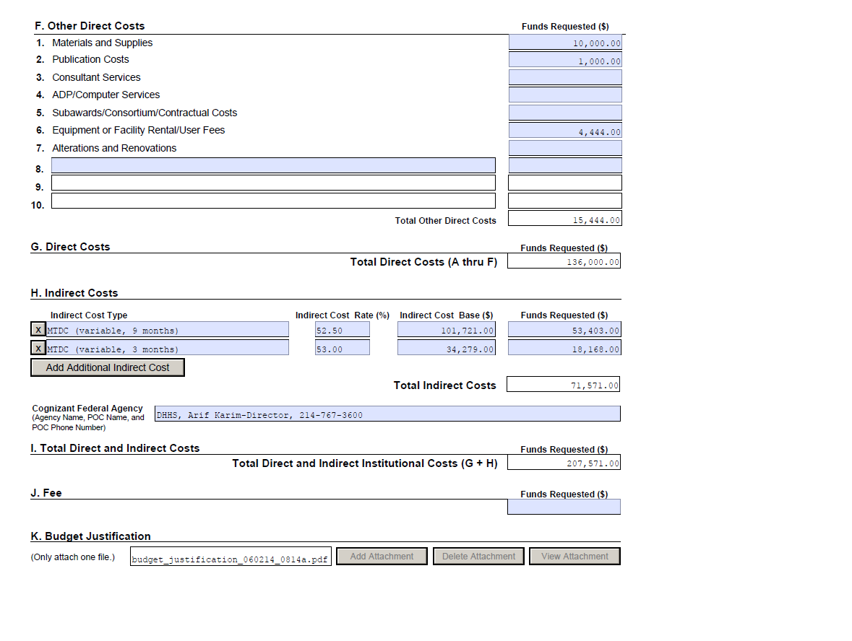

From COLUMN B of "MTDC Calculation" in Weighted Rates tab

From COLUMN F of "MTDC Calculation" in Weighted Rates tab

From COLUMN D of "MTDC Calculation" in Weighted Rates tab

From COLUMN G of "MTDC Calculation" in Weighted Rates tab

If you do not see multiple lines in which to record your indirect costs, click this button

